Community Info
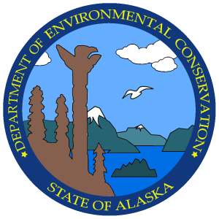 | Solid Waste Program Community Waste Management Index
Facility:

Facility Owner (Co. or Org.):
Address:
City:
Zip:
Phone:
Contact name:
Email:

Operator (Co. or Org):
Address:
City:
Zip:
Phone:
Contact name:
Email:

Location:

MRTS: | S: | T: | R: | M:

GPS Coordinates:
(right corner when facing entry)

Land owner:
Address:
City:
Zip:
Phone:
Contact name:
Email:

Other contacts:

Inspection

Inspection date

Rainfall (last month):

Inspection Participants:

Notes:

