Sheet1
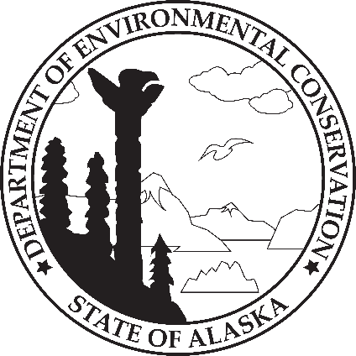
 | STATE OF ALASKA
 | DEPARTMENT OF ENVIRONMENTAL CONSERVATION
 | MMG O & M COST ESTIMATE
 | PROJECT NAME:
 | COMMUNITY:

OPERATIONS & MAINTENANCE COSTS |  |  |  | PROJECT NAME

~Age of Water Infrastructure: |  |  | years | Material: |  | Diameter: |  | inches
~Age of Wastewater Infrastructure: |  |  | years | Material: |  | Diameter: |  | inches
~Age of __________ Infrastructure: |  |  | years | Item: |  | Size/Capacity: |  | unit:

Description of current O & M annual costs:

Service Pay/ Work Item |  | Quantity | Hrs/Yr | Rate/Hr | Notes |  | Total Cost
 |  |  |  |  |  |  | $-
 |  |  |  |  |  |  | $-
 |  |  |  |  |  |  | $-
 |  |  |  |  |  |  | $-
 |  |  |  |  |  |  | $-
 |  |  |  |  |  |  | $-
 |  |  |  |  |  |  | $-
 |  |  |  |  |  |  | $-
 |  |  |  |  |  |  | $-
ESTIMATED ANNUAL COST:

