Read Me
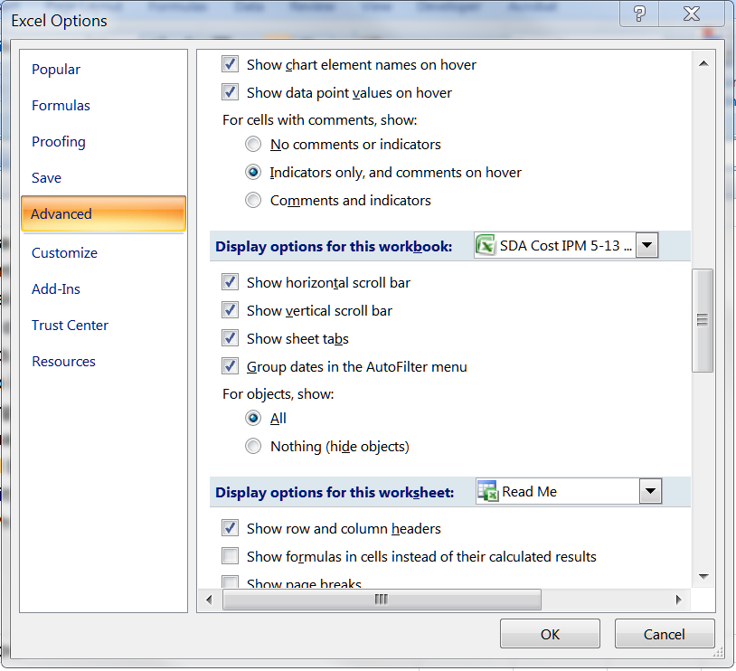
This spreadsheet is adapted from the Sargent and Lundy cost algorithms documentation for a wet FGD installation, as incorporated in version 5.13 of the IPM model. The "Source" tab lists the origination of these cost algorithms and other information used in this spreadsheet. The facilities tabs (i.e., BB 1) replicates the cost algorithms present in the documentation. These tabs include a further correction recommended on page 2 of the Sargent and Lundy documentation, but not included in the actual cost algorithms - an adjustment to the base absorber island and balance of plant costs due to atmospheric pressure changes with elevation. Finally, the facilities tabs annualize the costs and calculate a $/ton figure. Emissions data are included in the remaining tabs as an aid in choosing some input values.

User must have "show objects" selected in Excel's options for the drop down menus to work:

